BugReport 1
Summary: | Registration by using invalid email form
Description: | User can register using invalid email form (example jelena.dabetic93@mail.con).
Step to reproduce: | Openbrowser Chrome
 | Go to the following URL https://www.donesi.com/dostava/beograd
 | Click on "Prijavi se/Registruj se" on bottom right corner
 | Enter an ivalid email adress (example: jelena.dabetic93@mail.con)
 | Click on "Registruj se" on bottom below
 | Enter a valid password (minimum 8 characteres including one upper case letter, one lower case letter an one number
 | Repeat the same password in the field below
 | Click on "Registruj se" on bottom below
Expected result: | Email adress is invalid and warning messages apears "Pogresno unet mejl"
Actual result: | No notification or warning messages apear, registration is completeted and loging on account allowed
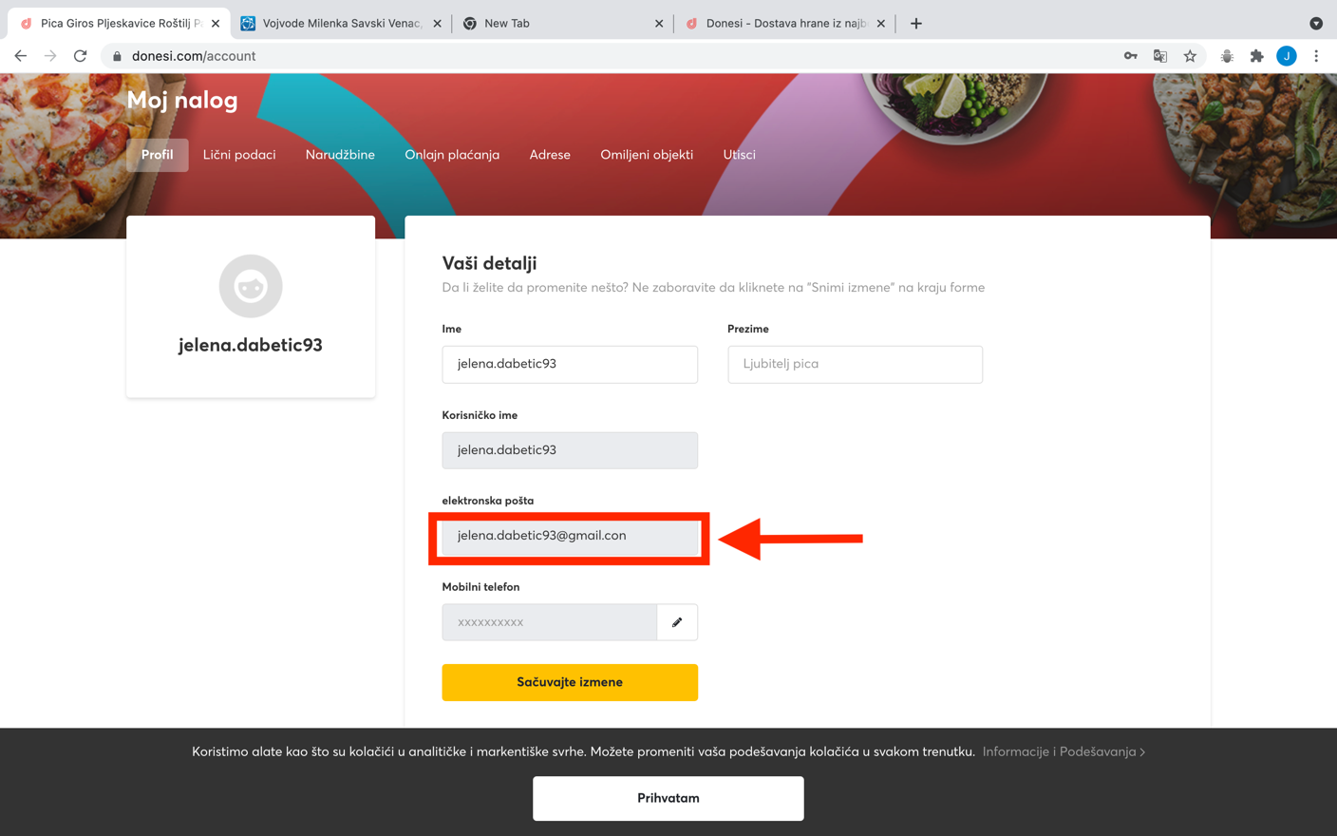
Screenshot:

BugReport2
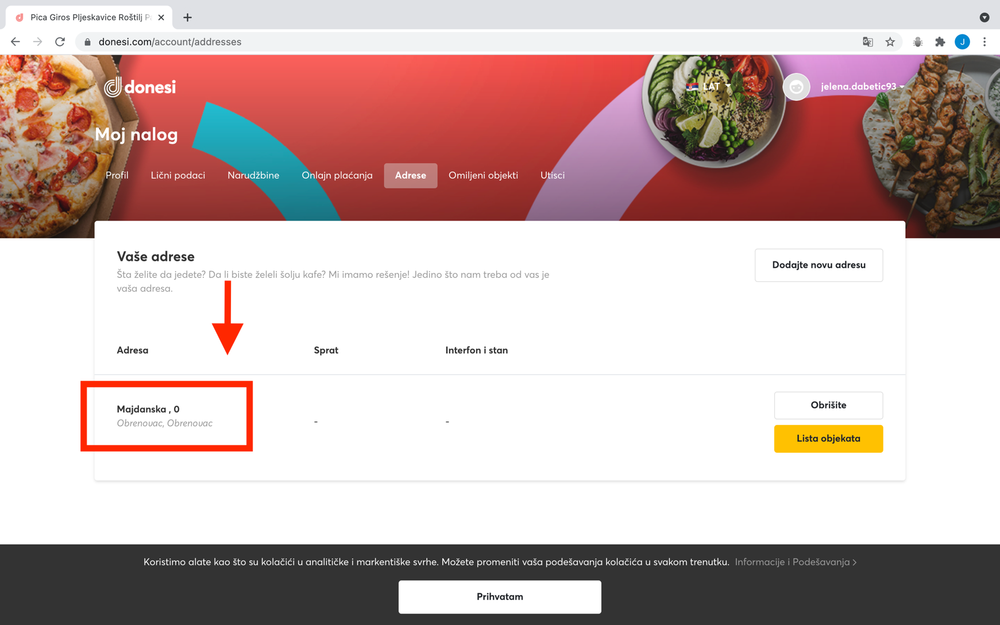
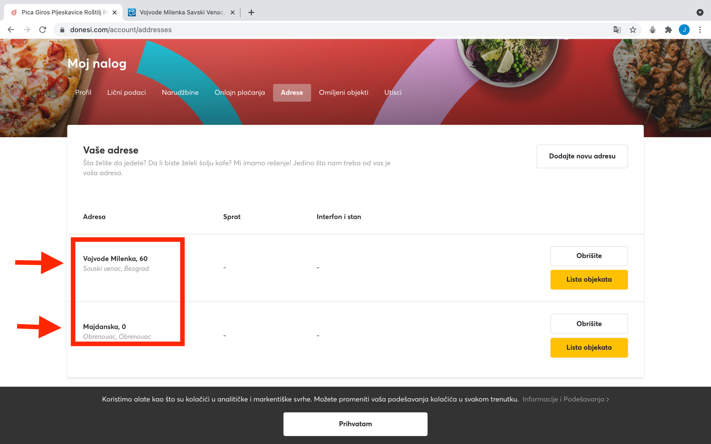
Summary: | Invalid street number can be applied
Description: | User can insert invalid street number (if the street has 50 valid registered building nubmers, user can enter 51 and it will be accepted, same as 0 will be accepted)
Step to reproduce: | Open browser Chrome
 | Go to the following URL https://www.donesi.com/account/addresses
 | Click on "Prijavi se/Registruj se" on upper right corner
 | Enter an already registered email address (example: jelena.dabetic93@mail.con)
 | Enter valid password for the entered email address
 | Click on "Prijavi se/Registruj se" buttom below
 | Click on "Adrese" at the upper central part of the screen
 | Click on button "Dodaj novu adresu" at the central bottom part of the screen
 | Enter one word
 | When section in central part of screen apears "Vasa adresa nije pronadjena. Kliknite ovde", click on that section
 | New window "Upisite Vasu adresu" apears
 | Click on any option on the falling menu for "Grad" (example: Obrenovac)
 | Click on any option on the falling menu for "Region" (example: Obrenvac)
 | Enter street name on "Ime ulice" field (example: Majdanska)
 | Enter street number on "Broj" field (example: 0)
 | Enter postal code on "Postanski broj" field (example: 11500)
 | Cick on yellow button "Nastavite" at the buttom cetral of the screen
Expected result: | Adress is not added and notification discretely appears with information "Mora biti ulicni broj" on "Broj'' field
Actual result: | Adress is added and name of street and number can be visible in the list of addresses
Screenshot:

BugReport3
Summary: | User can register invalid phone nubmer
Description: | User enter invalid phone nubmer as part of registration. Invalid phone nubmer is used as number for receiving verification code via SMS. User is not able to ifinish registration due receiving of verificatoin code is impossible. Each countury code should have minimum elements of phone number to be valid (in case user entered wrong number it couldn't be less than minimum).
Step to reproduce: | Openbrowser Chrome
 | Go to the following URL https://helbizlive.com/en
 | Click on "Subscription" on bottom right corner
 | Click on "Subscribe now" in Annual plan secton of the screen
 | Click on "Sing up now" at the central bottom part of screen
 | Enter an valid email adress (example: jelena.dabetic93@mail.com)
 | Enter valid password min 8 characters -contains at least one number (example: sifra123)
 | Repeat the same password in the field below
 | Click on "Next" on bottom below
 | New window on the screen apears "Please enter your phone number We will send you a text to confirm your identity"
 | Enter country code (example: +381)
 | Enter phone number (example: 6449019)
 | Click on "Next" on bottom below
 | New window on the screen apears "Enter code you received via SMS" with for boxes for inserting verification code
Expected result: | Phone number is invalid and warning messages apears "Pogresno unet broj telefona", SMS with verification code not sent
Actual result: | No notification or warning messages apear, SMS with verification code sent
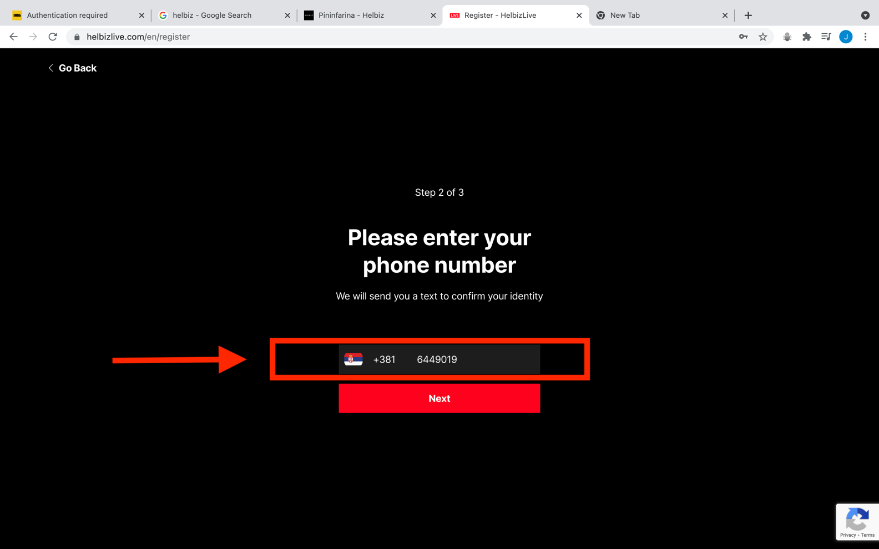
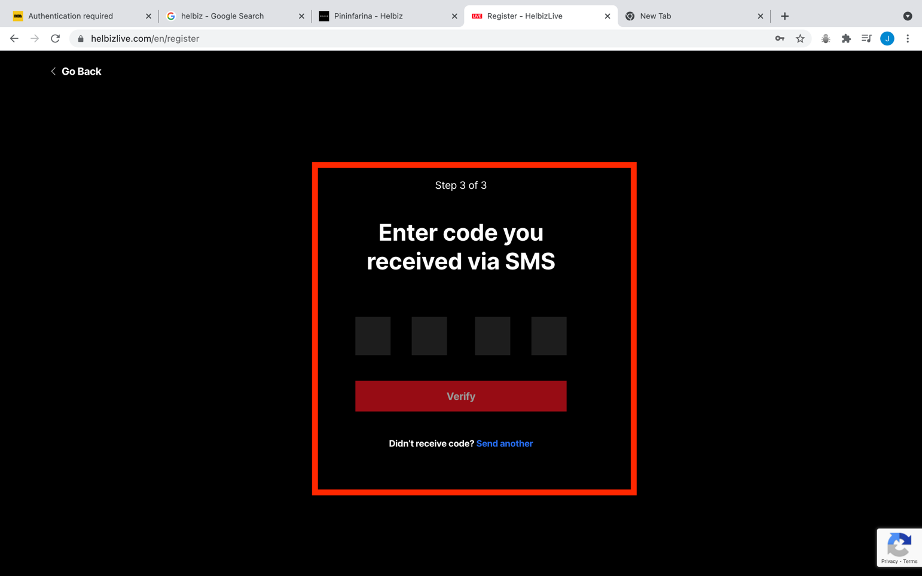
Screenshot:

